Max Profit
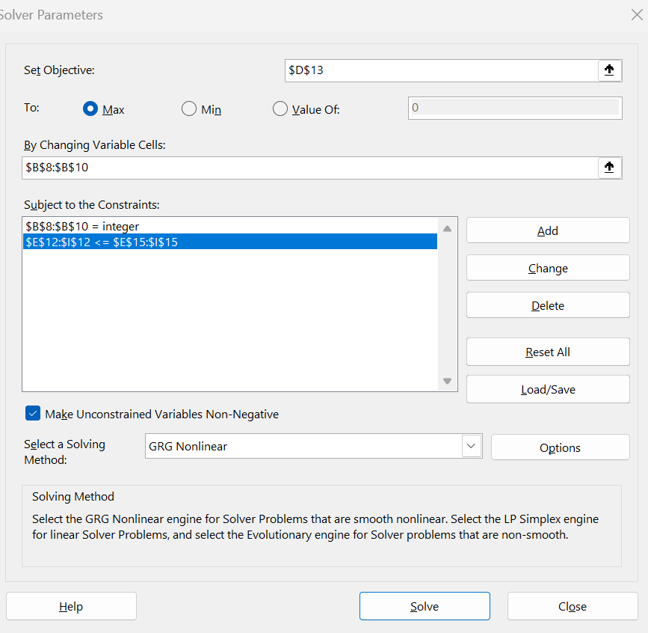
What Types of Electronic Equipment Should I Manufacture to Maximize Profit and Use as Much of Our Parts Inventory as Possible

maximize profit

profit table
 | quantity | profit per unit | Total profit | Chassis | LCD Screen | Speakers | Power Supply | Electronics
LCD TVs | 200 | 75 | 15000 | 1 | 1 | 2 | 1 | 2
Stereos | 200 | 50 | 10000 | 1 | 0 | 2 | 1 | 1
Speaker |  | 35 | 0 | 0 | 0 | 1 | 0 | 1

Total parts |  |  |  | 400 | 200 | 800 | 400 | 600
Total Profit |  |  | 25000

Max totals for parts: |  |  |  | 450 | 250 | 800 | 450 | 600

Linear equality
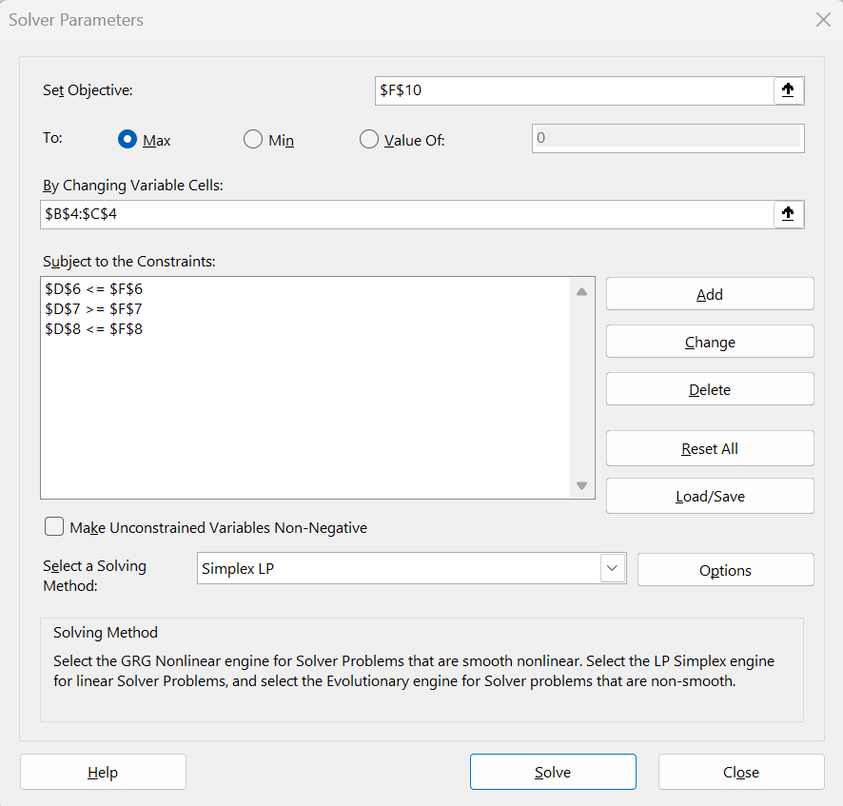
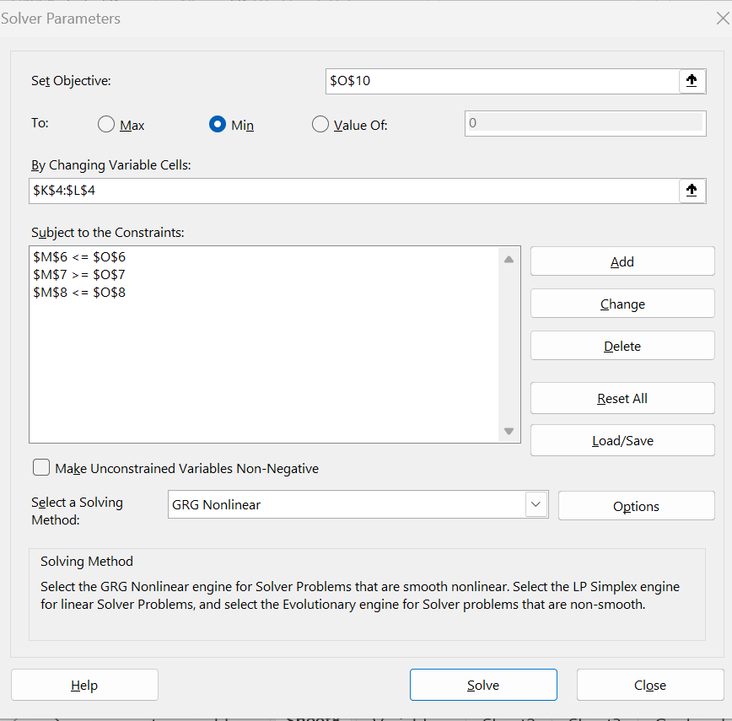
 | Linear inequalities: The Maximal and minimal value of z = 3x + 4y with constraints: x + 2y <= 14, 3x - y >= 0, x - y <= 2

 | X | Y |  |  | Z |  | X | Y |  |  | Z
max numbers | 6 | 4 |  |  |  | min numbers | -1 | -3

Constraints | 1 | 2 | 14 | <= | 14 | Constraints | 1 | 2 | -7 | <= | 14
 | 3 | -1 | 14 | >= | 0 |  | 3 | -1 | 0 | >= | 0
 | 1 | -1 | 2 | <= | 2 |  | 1 | -1 | 2 | <= | 2

Set Objective | 3 | 4 |  | = | 34 | Set Objective | 3 | 4 |  | = | -15

